Summary
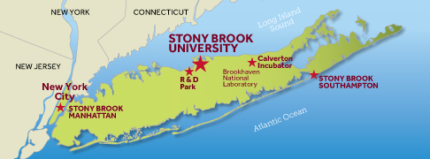 Stony Brook University Space Survey 2021 - Short Summary as of 3/1/2021
Location | Buildings* | Net Sq. Ft** | Gross Sq. Ft** | Acres
Stony Brook Campus | 130 | 9,796,877 | 12,337,552 | 1,038
Southampton Campus | 42 | 394,561 | 446,793 | 82
Stony Brook Manhattan | 1 | 2,523 | 2,882 | NA
Research & Development Park | 6 | 246,856 | 277,138 | 246
Calverton Incubator | 2 | 26,664 | 32,129 | 51
Old Field & Other Properties | 5 | 41,835 | 46,539 | 36
Medical Center Leased Space | 32 | 510,609 | 542,563 | NA
Totals | 218 | 11,019,925 | 13,685,596 | 1,453
* Excludes counts of parking structures and small structures
** See definitions on last tab/page
Prepared by the SBU Office of Institutional Research, Planning & Effectiveness Source: Campus Planning, Design and Construction Research and Support Services -May 19,2021

